1
 | form complete? | N |  |  | Rocket Flight Data Sheet v1.5
Overview
Date | 2025-02-21
Rocket | X-9D Pathfinder
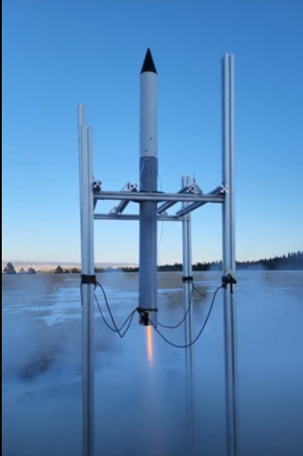
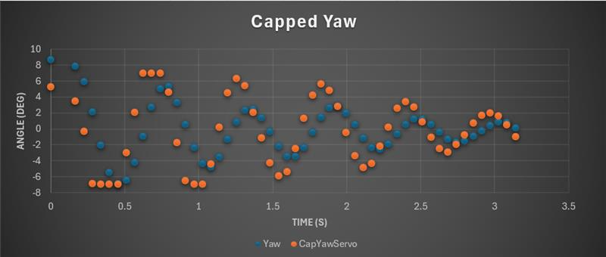
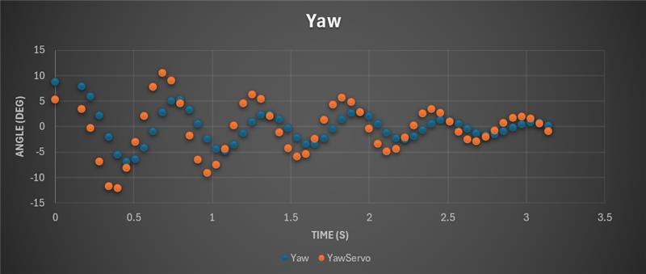
Flight Number | 1 |  |  | Outcome | Notes
General Test Objective | Successfully flight test: (1) First flight of X-9D (2) First flight of XBEE-PRO SX telemetry (3) WRAITH Mk1 state logic |  |  | +
Specific Test Objectives | (1) Flight Profile |  |  | +
 | (1.1) Nominal boost and coast, low roll-rate |  |  | + | (1)
 | (1.2) Nominal drogue deployment event |  |  | +
 | (1.3) Nominal main deployment event |  |  | +
 | (1.4) Safe recovery, no damage to rocket and avionics |  |  | ~ | (2)
 | (2) Avionics |  |  | + | (0)
 | (2.1) TeleMetrum EasyMini: 2x successful pyro events |  |  | +
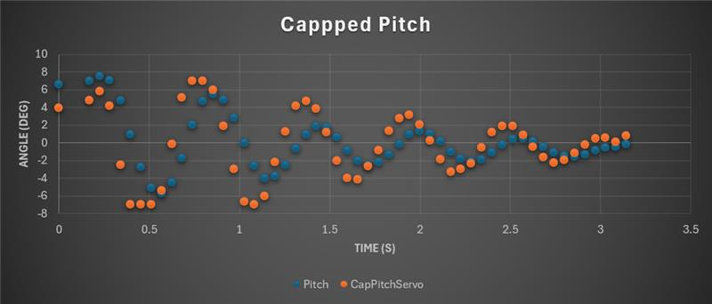
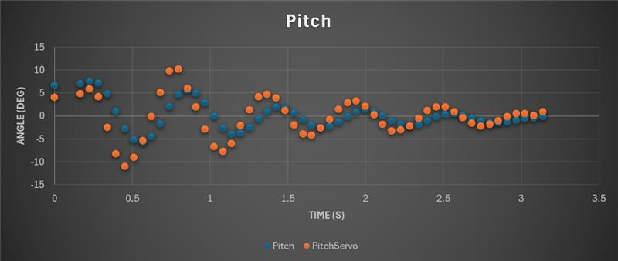
 | (2.2) WRAITH Mk1 C: record high quality IMU/baro/GNSS data |  |  | ~ | (3)(4)
 | (2.3) WRAITH Mk1 D + EX-1: deploy chutes, good telem, record good data |  |  | +
 | (2.4) RunCam Thumb: capture high-quality onboard video |  |  | +
 | (3) Ground Support |  |  | +
 | (3.1) Capture high quality photo from tripod camera #1 |  |  | +
 | (3.2) Capture hand-held video w/rkt in frame through boost |  |  | +
 | (3.3) WRAITH Mk1 Ground Station: save telemetry entire flight |  |  | + | (6)
 | (3.4) WRAITH Mk1 B: good GNSS, logging |  |  | +
 | (3.5) WRAITH Mk1 Ground Station: record video screen capture |  |  | +
 | (3.6) Wireless Ground Control Network - operate properly |  |  | ~ | (5)
Flight Outcome | SUCCESS
Max Altitude (Baro) | 2600 | ft AGL
Max Altitude (GNSS) | 2625 | ft AGL
Max Velocity | 440 | ft/s
Max Acceleration | 11.3 | g's
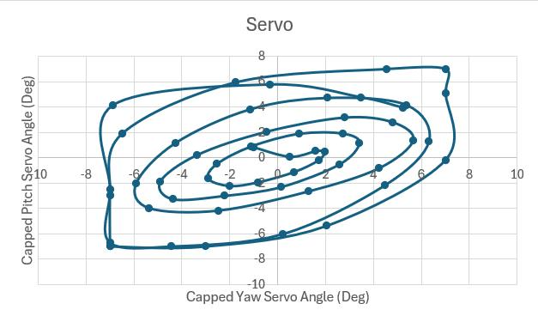
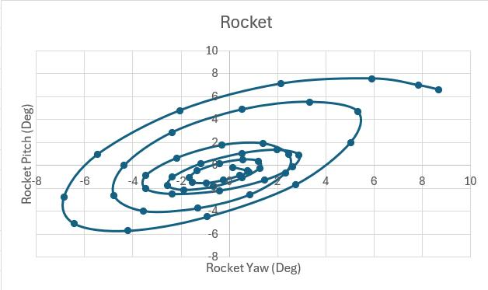
Flight Summary | First flight of X-9D, WRAITH Mk1 EX board, & XBEE-PRO SX. First flight in CO at SCORE sight in Pueblo. Excellent flight overall (best flight to date by obj's met)
Lessons Learned | (1) High g's at drogue and main deploy caused damage to JST-GH connector --> do not friction fit electronics
TODO | * Analyze telem data * Incorporate INA260 data (1) Investigate 1S Batt Voltage --> drop from 4.778 at impact? (2) Don't use SEL35F18 Lens next time (3) Initial tilt (4) Update WGCN code for two camera controllers
Notes
(0) WRAITH Mk1 ALPHA died during ground testing, See OneNote "Death of WRAITH Mk1 ALPHA" (1) Very low roll! (2) Matek SAM-M10Q detached from friction mount and ripped JST-GH connector off WRAITH Mk1 CHARLIE [NOSE]. (3) One Checksum error on binary conversion (see convertBinary log). One ADMIN packet lost @ ~T-225". Stopped logging GNSS data @ main deploy. Issues with ICM20649 temp within ~100" of boot up. (4) ***Looks like P0 diode is still backwards (has not been fixed yet). See email conversation with Vern "Telemetry update" *** (5) Significant link issues. Re-created at home--I think it's b/c I had both camera controller connected. I believe they are running exact same code which caused interference. (6) See email "Merry Christmas & XBee PRO-SX First Flight" with Vern for discussion of telemetry performance
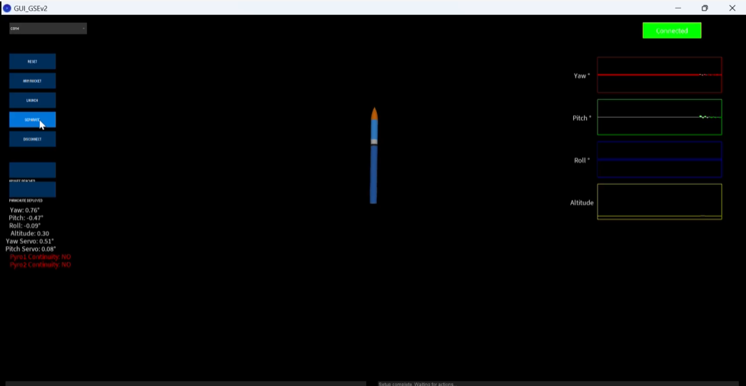

Rocket Details |  |  |  |  |  | Mass Budget
Rocket OD | 2.697 | in | Notes: |  |  | NC with avionics: | 340.7
Rocket Length | 42 | in |  |  |  | FWD Tube: | 144.8
Rocket Dry Weight | 1786.9 | g |  |  |  | Main+cord: | 92
Dry CG (from nose) | 22.75 | in |  |  |  | Avbay+Tube/Screws: | 608.7
Wet CG (from nose) | 25 | in (OR) |  |  |  | Mid/Aft Section+Drogue/Cord/Screws: | 600.7
Motor Weight (wet) | 346.8 | g | post: |  | g
AUW | 2133.7 | g |  |  |  | Sum (dry): | 1786.9
Wet Stability Margin | 2.38 | cal (O.R.)
Wet Stability Margin | 15.3% | % length

Motor
Designation | Aerotech I175WS |  | Notes:
Total Impulse (N-s) | 333
Propellant Mass (g) | ~180
Motor Hardware | Aerotech DMS
Propellant | White Lightning
Cast Date | N/A

Avionics
Avionics 2 | TeleMetrum EasyMini (apogee, main @ 250m) | [BODY] | Notes: * - includes XBPROSX + NEOM9N - apogee + 1" (accel alt) - main @ 1000 ft
Avionics 3 | WRAITH Mini Mk 1 Unit D + EX-1 (v0.8.2)* | [BODY]
Avionics 4 | WRAITH Mini Mk 1 Unit C (v0.8.2) | [NOSE]
Camera | RunCam Thumb | [NOSE]

GCS
Computer | WRAITH Mini Mk 1 Unit B + EX-3 (v0.8.2)* |  | Notes:
GPS
Telemetry
Antenna

Recovery
Deployment Type | Dual |  | Notes:
Drogue | Top Flight Streamer
Main | Fruity chutes 36"
Charges | 4x BP with chinese e-matches

Launch Conditions
Location | SCORE Launch Site Pueblo CO |  | Notes:
Time | 1020
Wind | Low
Temperature | ~50 | DegF
Conditions | SKC
Nearest METAR | N/A

Launch Details
Boost/Coast Phase | Nominal. Launch at angle. |  | Notes: Launched using 1010 buttons on club rail
Roll | Very low
Drogue Deploy. | Nominal
Descent Rate Drouge | ~-90 | ft/s
Main Deploy | Nominal
Descent Rate Main | ~-24 | ft/s
POI dist from POO | ~1700 ft
Deployment Charges | All Fired
Rocket Codition (post flt) | Excellent except for SAM-M10Q on WRAITH Mk1 Charlie

For the “Link Budget” curve, I used:
+30 dBm Transmit power
+2.1 dB ¼ wave monopole Tx antenna gain (~2-2.5 VSWR over 900-930 Mhz)
+2.5 dB ½ wave dipole receiver antenna gain (<1.4 VSWR over 900-930 Mhz)
-2.0 dB total general losses in cables, connectors, transmitter power output tolerance, etc.
-Free space loss (915Mhz) computed per slant range
Notes/Observations:
1. 20-30 byte packets were sent at 8 Hz.
2. There were 17 lost packets out of 2840 while the rocket was on the pad (interestingly, all within about a 100 sec span) and another 17 out of about 587 (2.8%) while the rocket was in the air. The club I was launching with uses a Wilson FX system, which based on the FCC ID uses XBee Pro HP’s. You had mentioned previously that you’ve seen other 900 Mhz systems affect Kate’s telemetry, has that ever been a concern for you for extreme high-altitude flights? I’m curious to try XTCU’s spectrum analyzer function at the next launch.
3. The minimum RSSI value of -95 dB was lower than I was expecting to see for such a low altitude launch, but it was on ascent with a suboptimal antenna in a suboptimal location in the rocket, so maybe it’s not surprising?
4. There were more packet drops in flight that I was expecting to see. I’m curious if I see this many with a better antenna/better placement in the rocket and/or more directional ground station antenna.
The 5 packet drops around T+40 may be due to another rocket being launched.

